Example 1
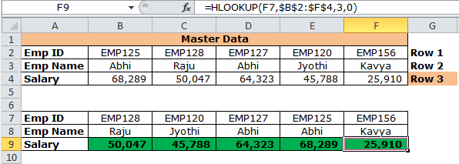
Master Data
Emp ID | EMP125 | EMP128 | EMP127 | EMP120 | EMP156 | Row 1
Emp Name | Abhi | Raju | Abhi | Jyothi | Kavya | Row 2
Salary | 68,289 | 50,047 | 64,323 | 45,788 | 25,910 | Row 3

Emp ID | EMP128 | EMP120 | EMP127 | EMP125 | EMP156
Emp Name | Raju | Jyothi | Abhi | Abhi | Kavya
Salary | 50,047 | 45,788 | 64,323 | 68,289 | 25,910

 |  |  |  |  |  |  | Screenshot 9
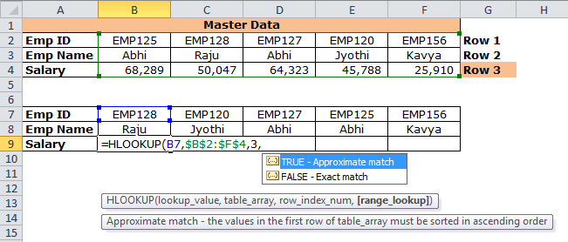

 |  |  |  |  |  |  | Screenshot 10

