INDIRECT Example 2
Particulars | Item 1 | Item 2 | Item 3 | Item 4 | Last Item's Profit
Revenue | 7,724,407 | 6,984,170 | 5,311,239 | 8,795,885 | 6,024,238 | Screenshot 13
Expenses
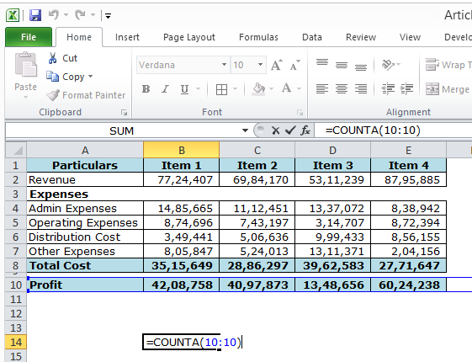
Admin Expenses | 1,485,665 | 1,112,451 | 1,337,072 | 838,942
Operating Expenses | 874,696 | 743,197 | 314,707 | 872,394
Distribution Cost | 349,441 | 506,636 | 999,433 | 856,155
Other Expenses | 805,847 | 524,013 | 1,311,371 | 204,156
Total Cost | 3,515,649 | 2,886,297 | 3,962,583 | 2,771,647

Profit | 4,208,758 | 4,097,873 | 1,348,656 | 6,024,238

 | 5

