Pivot Table
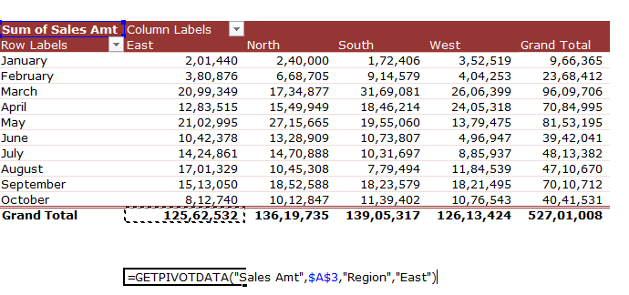
Sum of Sales Amt | Column Labels
Row Labels | East | North | South | West | Grand Total
January | 201,440 | 240,000 | 172,406 | 352,519 | 966,365
February | 380,876 | 668,705 | 914,579 | 404,253 | 2,368,412
March | 2,099,349 | 1,734,877 | 3,169,081 | 2,606,399 | 9,609,706
April | 1,283,515 | 1,549,949 | 1,846,214 | 2,405,318 | 7,084,995
May | 2,102,995 | 2,715,665 | 1,955,060 | 1,379,475 | 8,153,195
June | 1,042,378 | 1,328,909 | 1,073,807 | 496,947 | 3,942,041
July | 1,424,861 | 1,470,888 | 1,031,697 | 885,937 | 4,813,382
August | 1,701,329 | 1,045,308 | 779,494 | 1,184,539 | 4,710,670
September | 1,513,050 | 1,852,588 | 1,823,579 | 1,821,495 | 7,010,712
October | 812,740 | 1,012,847 | 1,139,402 | 1,076,543 | 4,041,531
Grand Total | 12,562,532 | 13,619,735 | 13,905,317 | 12,613,424 | 52,701,008

 | 12562531.5

GETPIVOTDATA Example 3
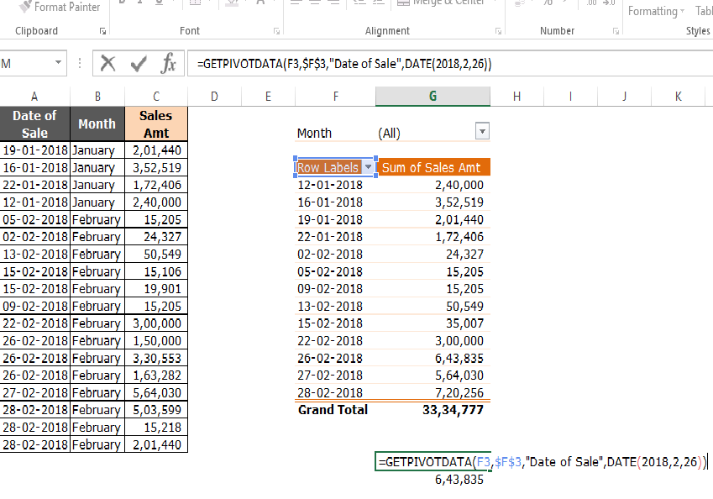
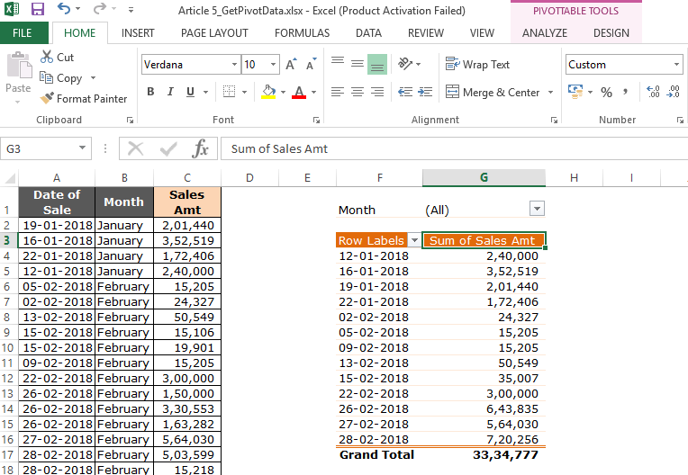
Date of Sale | Month | Sales Amt | Month | (All)
2018-01-19 | January | 201,440
2018-01-16 | January | 352,519 | Date of Sale | Sum of Sales Amt
2018-01-22 | January | 172,406 | 2018-01-12 | 240,000
2018-01-12 | January | 240,000 | 2018-01-16 | 352,519
2018-02-05 | February | 15,205 | 2018-01-19 | 201,440
2018-02-02 | February | 24,327 | 2018-01-22 | 172,406
2018-02-13 | February | 50,549 | 2018-02-02 | 24,327
2018-02-15 | February | 15,106 | 2018-02-05 | 15,205
2018-02-15 | February | 19,901 | 2018-02-09 | 15,205
2018-02-09 | February | 15,205 | 2018-02-13 | 50,549
2018-02-22 | February | 300,000 | 2018-02-15 | 35,007
2018-02-26 | February | 150,000 | 2018-02-22 | 300,000
2018-02-26 | February | 330,553 | 2018-02-26 | 643,835
2018-02-26 | February | 163,282 | 2018-02-27 | 564,030
2018-02-27 | February | 564,030 | 2018-02-28 | 720,256
2018-02-28 | February | 503,599 | Grand Total | 3,334,777
2018-02-28 | February | 15,218
2018-02-28 | February | 201,440 |  | #REF!

 |  |  |  | 643,835
 |  |  | 643834.5

